Sheet1
Image Name | Checked? | Comments | VM Type (Linux/Windows, 32/64bit) | VM OS + version + UI state | VM image min CPU limit | VM image min RAM limit config | VM image hard disk config | VM login detail | VM network interface config detail (DHCP, ipv4) | VM image lib/tools used (Docker, python) | VM remote desktop access enabled
ARP-Kali | Yes | Unable to create instance. (used m1.large as flavor) Error message: Build of instance a8eddb7c-cb51-48b9-850c-334ee87cc923 aborted: Flavor's disk is too small for requested image. Flavor disk is 85899345920 bytes, image is 107374182400 bytes.
ARP-outsider | Yes | Unable to login, stuck at login page, unable to access shell. Password required for remote access. use m1.large
ARP-win7 | Yes | Unable to install windows, no available hard drive partition | Windows | Windows 7 SP1_RM.0_E_VL_zh-cn |  |  | NA
CentOS-7-x86_64 | Yes | Same as ARP-outsider. Remote access using user name 'centos'. use yum instead of apt | Linux x86_64 (64bit) | Centos Linux release 7.8.2003 | Intel Broadwell Dual-core 2GHz | 4GB | 48GB | remote access using 'centos' | ipv4,ipv6,ethernet | python 2.7.5, dhcp-common 4.2.5-58, cryptsetup 1.7.4 | Yes
Centos-7-x86_64_GenericCloud | Yes | Same as ARP-outsider. Remote access using user name 'centos'. use yum instead of apt | Linux x86_64 (64bit) | Centos Linux release 7.8.2003 | Intel Broadwell Dual-core 2GHz | 4GB | 48GB | remote access using 'centos' | ipv4,ipv6,ethernet | python 2.7.5, dhcp-common 4.2.5-58, cryptsetup 1.7.5 | Yes
Corporate_Website_FINAL | Yes | Error installing image. OSError: [Errno 30] Read-only file system: '/var/lib/cloud/data'
CyberQuestS1 | Yes | Same as ARP-outsider. use m1.large. When trying to remote access, returns a Pokemon logo and then connection closed automatically.
Debian-9-amd64 | Yes | Same as ARP-outsider. | Linux x86_64 (64bit) | Debian GNU/Linux 9.4 | Intel Broadwell Dual-core 2GHz | 4GB | 46GB | remote access using 'debian' | ipv4,ipv6,ethernet | docker 1.5.1, xrdp 0.9.1, python 2.7.13, cryptsetup 1.7.3 | Yes
Fedora-27 | Yes | Same as ARP-outsider. password required for remote access
Fedora_OS | Yes | Same as ARP-outsider. remote access using user name 'fedora' | Linux x86_64 (64bit) | Fedora 31 Cloud Edition | Intel Broadwell Dual-core 2GHz | 4GB | 46GB | remote access using 'fedora' | ipv4 (DHCP),ipv6,ethernet | python 3.7.4, net-tools 2.0
Kali 2020.1 32 Bit | Yes | Similar to ARP-outsider (pressing CTRL+ALT+F1 changes from GUI to CLI login page). use m1.xlarge flavor. connection refused when trying to remote access
Kali_2018.3 | Yes | Stuck at 'Booting from hard disk…' for 3 weeks. Use m1.large flavor.
Kali_2020.3 | Yes | Similar to ARP-outsider (pressing CTRL+ALT+F1 changes from GUI to CLI login page)
kali_FINAL | Yes | Similar to ARP-outsider (pressing CTRL+ALT+F1 changes from GUI to CLI virtual console). password required for remote access
log4jshell-image | Yes |  | Linux x86-64 (64bit) | Lubuntu 20.04.1.04, CentOS | Intel Broadwell Dual-core 2GHz | 4GB | 27GB | NA | ipv4 (DHCP),ipv6,ethernet | cryptsetup 2.2.2, docker 20.10.12, git 2.25.1, python 3.8.10, netcat 1.206-1ubuntu1, xrdp0.9.12 | RDP
metasploitable3-ub1404 | Yes | Same as ARP-outsider
metasploitable3-win2k8 |  | Need to use m1.large flavor. Windows failed to start, have to use Startup Repair, Unable to repair | Windows |  | Intel Broadwell 4 core 2GHz |  | NA | NA | NA | NA
NUSMed_Dev_Machine(Windows) | Yes |  | Windows x86 (32bit) | Windows 7 Enterprise 6.1.7601 SP1 | Intel Broadwell Dual-core 2GHz | 4GB | 14.8GB | nusmeddev/password | DHCP enabled | NA | RDP (Disabled by default)
NUSMed_Dev_Machine_FINAL | Yes | Cant login to NUSMEDCORP\nusmeddev, safe mode w command prompt doesnt open cmd | Windows | Windows 7 Enterprise
opensuse_OS | Yes | Same as ARP-outsider. password required for remote access
Site_Admin_Machine_FINAL |  | Unable to login, stuck at login page, unable to access shell (password locked) |  | Ubuntu 20.04 LTS |  | 4GB
Ubuntu 18.04.4-AMD64 | Yes | Stuck in installer, cannot choose a disk to install. Able to open shell in installer | Linux x86_64 (64bit) | Linux ubuntu-server 4.15.0-76-generic | Intel Broadwell Dual-core 2GHz | 4GB | 12GB | NA | ipv4 (DHCP),ipv6,ethernet | cryptsetup 2.0.2, docker 1.5-1build1, git 2.17.1, python 2.7.15, netcat 1.187-1ubuntu0.1, xrdp 0.9.5-2
Ubuntu-18.04 |  | Can not find requested image (HTTP 400) (Request-ID: req-01595f47-939f-45e4-94aa-8e714c7e7462). unable to start instance
ubuntu-20-focal-cloudimg-vagrant |  | Accessible thru remote access | Linux x86_64 (64bit) | Ubuntu 20.04.3 LTS | Intel Broadwell Dual-core 2GHz | 4GB | 46GB | remote access using 'ubuntu' | ipv4 (DHCP),ipv6,ethernet | python 3.8.2, cryptsetup 2.2.2, git 2.25.1, perl 5.30.0, ftp 0.17 | Yes
ubuntu-groovy-20 |  | Accessible thru remote access | Linux x86_64 (64bit) | Ubuntu 20.10 | Intel Broadwell Dual-core 2GHz | 4GB | 42GB | remote access using 'ubuntu' | ipv4 (DHCP),ipv6,ethernet | python 3.8.6, perl 5.30.3, openssl 1.1.1, netcat-openbsd 1.217, ftp 0.17, cryptsetup 2.3.3 | Yes
Ubuntu14-64-MultiNICs |  | Accessible thru remote access | Linux x86_64 (64bit) | Ubuntu 14.04.5 LTS trusty | Intel Broadwell Dual-core 2GHz | 4GB | 44GB | remote access using 'ubuntu' | ipv4,ipv6,ethernet | python 3.4.3, perl 5.18.2, openssl 1.0.1, netcat-openbsd 1.105-7, ftp 0.17, cryptsetup 1.6.1 | Yes
Ubuntu1404-64-GUI | Yes | Use guest session | Linux x86_64 (64bit) | Ubuntu 14.04 LTS | Intel Broadwell Dual-core 2GHz | 4GB | 46GB | Guest account | ipv4,ipv6,ethernet | python 3.4, perl 5.18.2, netcat 1.105-7, cryptsetup 1.6.1, ftp 0.17 | No
Ubuntu1404-64-STD |  | Accessible thru remote access | Linux x86_64 (64bit) | Ubuntu 14.04.5 LTS trusty | Intel Broadwell Dual-core 2GHz | 4GB | 44GB | remote access using 'ubuntu' | ipv4,ipv6,ethernet | python 3.4.3, perl 5.18.2, openssl 1.0.1, netcat 1.10, ftp 0.17, cryptsetup 1.6.1 | Yes
Ubuntu16-64-MultiNICs |  | Accessible thru remote access | Linux x86_64 (64bit) | Ubuntu 16.04.4 LTS xenial | Intel Broadwell Dual-core 2GHz | 4GB | 46GB | remote access using 'ubuntu' | ipv4,ipv6,ethernet | python 3.5.2, perl 5.22.1, openssl 1.0.2, netcat-openbsd 1.105-7, ftp 0.17, cryptsetup 1.6.6 | Yes
Ubuntu1604-64-STD |  | Unable to login, stuck at login page, unable to access shell | Linux x86_64 (64bit) | Ubuntu 16.04.4 LTS xenial | Intel Broadwell Dual-core 2GHz | 4GB | 46GB | remote access using 'ubuntu' | ipv4,ipv6,ethernet | python 3.5.2, perl 5.22.1, openssl 1.0.2, netcat-openbsd 1.105-7, ftp 0.17, cryptsetup 1.6.6
Ubuntu18-04-Cloud_image |  | Accessible thru remote access | Linux x86_64 (64bit) | Ubuntu 18.04.4 LTS | Intel Broadwell Dual-core 2GHz | 4GB | 46GB | via Remote access | ipv4,ipv6,ethernet | cryptsetup 2.0.2, docker 1.5-1 xrdp 0.9.5-2, python 3.6.7, netcat 1.10-41.1, perl 5.26.1, git 2.17.1, | Yes
ubuntu20 OS |  | Accessible thru remote access | Linux x86_64 (64bit) | Ubuntu Focal Fossa 20.04 (development branch) | Intel Broadwell Dual-core 2GHz | 4GB | 46GB | remote access using 'ubuntu' | ipv4 (DHCP),ipv6,ethernet | python 3.7.6, netcat-openbsd 1.206, cryptsetup 2.2.2, ftp0.17, git 2.24 | Yes
ubuntu20-vagrant |  | Unable to login, stuck at login page, unable to access shell
Window Server 2016 |  | Stuck at installation wizard, unable to install windows (no disk drive found). unable to boot | Windows | Windows Server 2016 | Intel Broadwell Dual-core 2GHz
Window10_Pro_x64 | Yes |  | Windows x64 | Windows 10 Pro 10.0.19043 | Intel Broadwell Dual-core 2GHz | 4GB | 19.4GB | ncl_win10_pro/123 | ipv4 (DHCP),ipv6,ethernet | Spice Agent 0.10.0-5 (64-bit) 0.15.5, Windows PC Health Check 3.6.2204.08001 | Yes
Windows-Server-2012 | Yes | Unable to access via RDP | Windows x64 | Windows Server 2012 R2 Standard 6.3.9600 Build 9600 | Intel Broadwell Dual-core 2GHz | 4GB | 39.9GB |  | DHCP enabled | Cloudbase-Init 0.9.11 | No
Windows_2019 |  | Same as Windows Server 2016 | Windows | Windows Server 2019 | Intel Broadwell Dual-core 2GHz

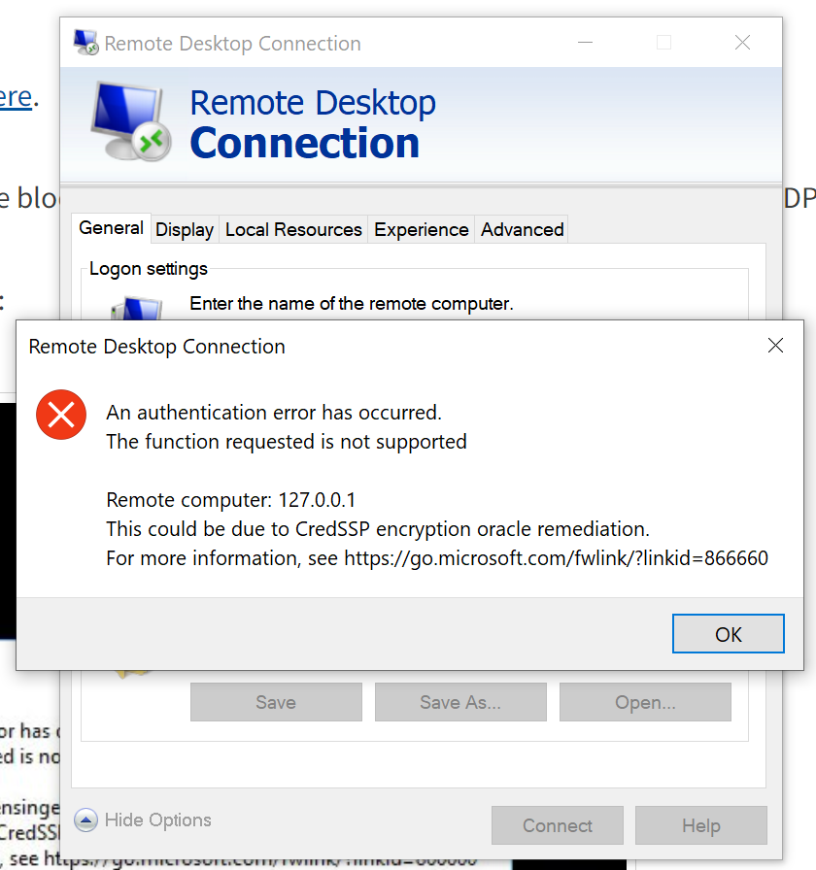

Additional notes |  | Linux switch from GUI to virtual console: CTRL+ALT+F1. Switch back to GUI using CTRL+ALT+F7 | https://unix.stackexchange.com/questions/21856/how-to-exit-login-screen-and-start-commandline-while-at-login-screen

